belp_1_0
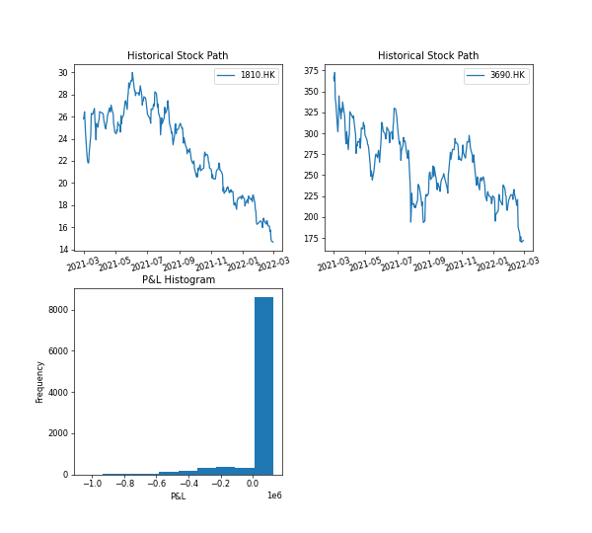
 | Info
Underlying Equity | ['1810.HK', '3690.HK']
Contract Period | 03/02/2022-05/05/2022
Notional Amount | 2000000
Autocall Observation Date | 04/04/2022-04/29/2022
Autocall Barrier | 1
Autocall Coupon | 0.4
Fixed Coupon | 0.4
Floating Rate | 0.04
Kick Observation Date | 03/02/2022-05/03/2022
Kick Barrier | 0.7
Reference Barrier | 0.8
Call Condition(for multivariate Underlying) | all
Call Memory(for multivariate Underlying) | no
contract name | belp_1_0
tickers | ['1810.HK', '3690.HK']
n_simulation | 10000
reference period | ['03/01/2021', '03/01/2022']
risk free rate | 0.01
historical volatility | [0.373, 0.657]
simulated avg volatility | [0.37, 0.653]
notional amount | 2000000
potential P&L | 51093.661
potential P&L(%) | 2.555
Max P&L | 126026.503
Max P&L(%) | 6.301
Min P&L | -1052871.196
Min P&L(%) | -52.644
total coupon earned | 116218.276
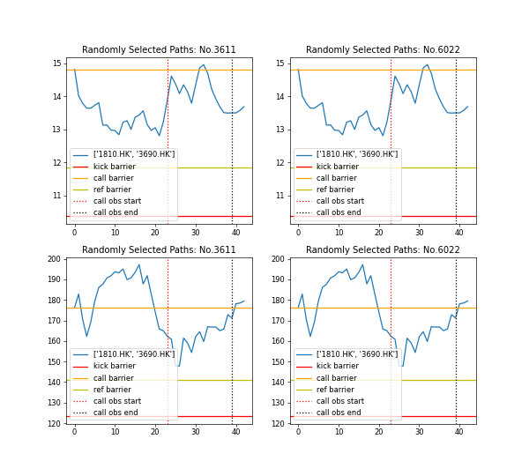
simulation time | 2023-07-06

belp_1_1
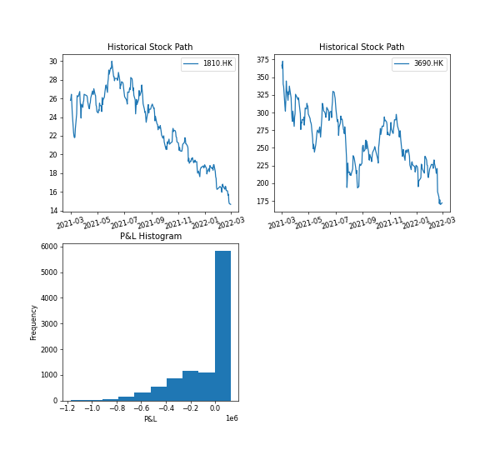
 | Info
Underlying Equity | ['1810.HK', '3690.HK']
Contract Period | 03/02/2022-05/05/2022
Notional Amount | 2000000
Autocall Observation Date | 04/04/2022-04/29/2022
Autocall Barrier | 1
Autocall Coupon | 0.4
Fixed Coupon | 0.4
Floating Rate | 0.04
Kick Observation Date | 03/02/2022-05/03/2022
Kick Barrier | 0.85
Reference Barrier | 0.9415
Call Condition(for multivariate Underlying) | all
Call Memory(for multivariate Underlying) | no
contract name | belp_1_1
tickers | ['1810.HK', '3690.HK']
n_simulation | 10000
reference period | ['03/01/2021', '03/01/2022']
risk free rate | 0.04
historical volatility | [0.373, 0.657]
simulated avg volatility | [0.37, 0.653]
notional amount | 2000000
potential P&L | -70289.942
potential P&L(%) | -3.514
Max P&L | 125381.349
Max P&L(%) | 6.269
Min P&L | -1173424.307
Min P&L(%) | -58.671
total coupon earned | 115059.029
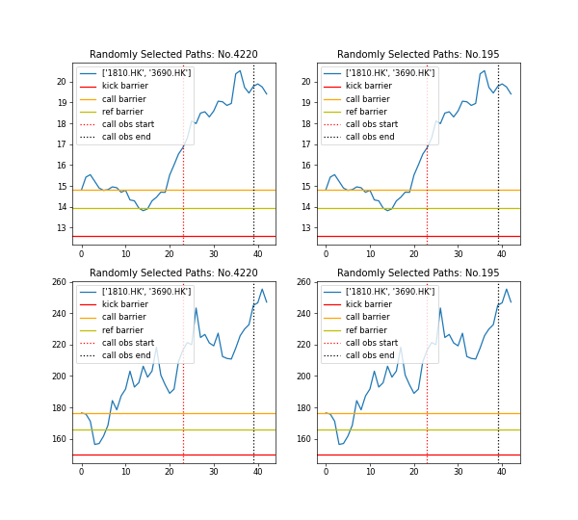
simulation time | 2023-07-06

selp_1_0
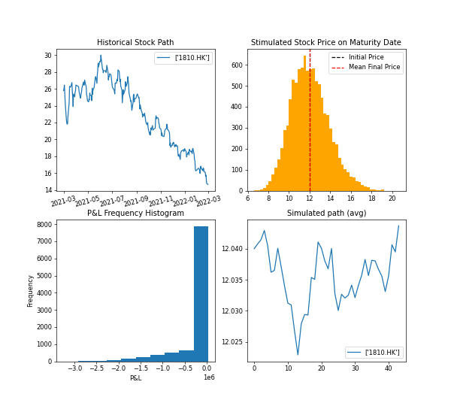
 | Info
Underlying Equity | ['1810.HK']
Contract Period | 04/19/2022-06/22/2022
Notional Amount | 8093750
Autocall Observation Date | 05/19/2022-06/17/2022
Autocall Barrier | 1.02
Autocall Coupon | 0.06
Fixed Coupon | 0.06
Floating Rate | 0.04
Kick Observation Date | -
Kick Barrier | -
Reference Barrier | 0.925
Call Condition(for multivariate Underlying)
Call Memory(for multivariate Underlying)
contract name | selp_1_0
tickers | ['1810.HK']
n_simulation | 10000
reference period | ['03/01/2021', '03/01/2022']
risk free rate | 0.01
historical volatility | [0.373]
simulated avg volatility | [0.372]
notional amount | 8093750
potential P&L | -203536.573
potential P&L(%) | -2.515
Max P&L | 28334.084
Max P&L(%) | 0.35
Min P&L | -3243674.631
Min P&L(%) | -40.076
total coupon earned | 59688.489
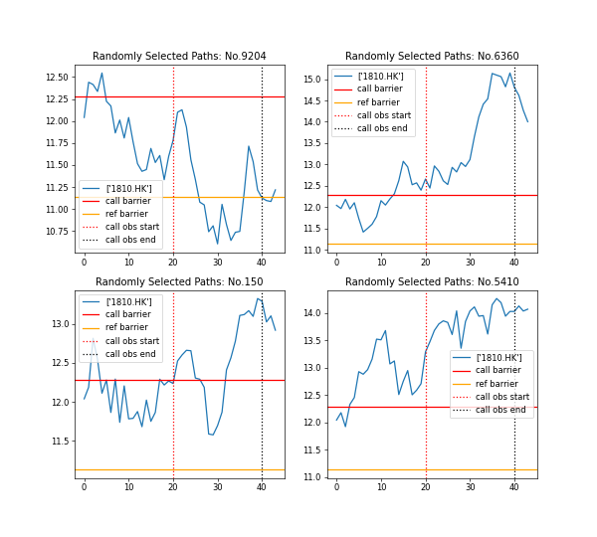
simulation time | 2023-07-06

selp_1_1
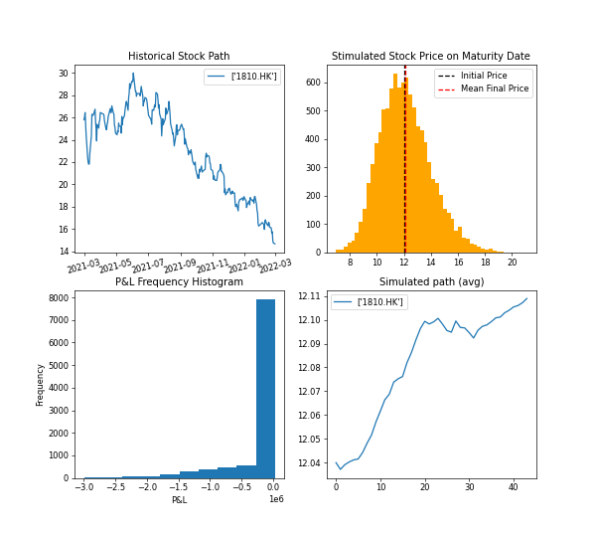
 | Info
Underlying Equity | ['1810.HK']
Contract Period | 04/19/2022-06/22/2022
Notional Amount | 8093750
Autocall Observation Date | 05/19/2022-06/17/2022
Autocall Barrier | 1.02
Autocall Coupon | 0.06
Fixed Coupon | 0.06
Floating Rate | 0.04
Kick Observation Date | -
Kick Barrier | -
Reference Barrier | 0.925
Call Condition(for multivariate Underlying)
Call Memory(for multivariate Underlying)
contract name | selp_1_1
tickers | ['1810.HK']
n_simulation | 10000
reference period | ['03/01/2021', '03/01/2022']
risk free rate | 0.04
historical volatility | [0.373]
simulated avg volatility | [0.371]
notional amount | 8093750
potential P&L | -196913.443
potential P&L(%) | -2.433
Max P&L | 28189.036
Max P&L(%) | 0.348
Min P&L | -2992854.856
Min P&L(%) | -36.977
total coupon earned | 58992.336
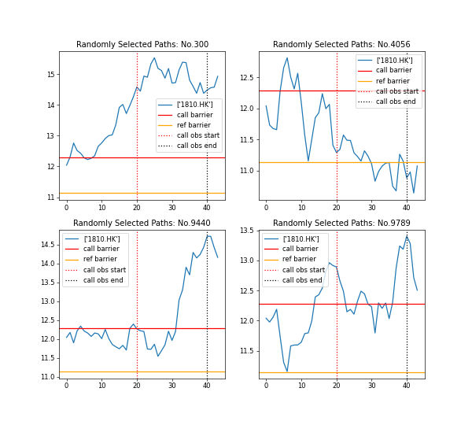
simulation time | 2023-07-06

selp_1_2
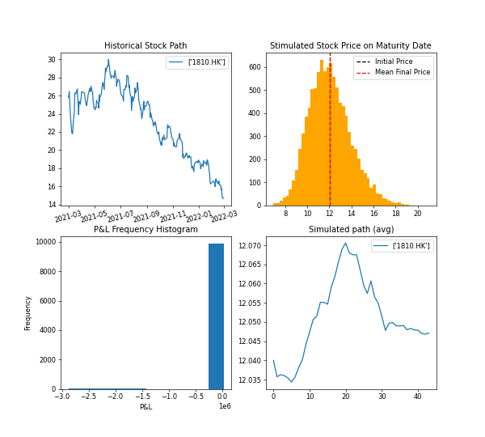
 | Info
Underlying Equity | ['1810.HK']
Contract Period | 04/19/2022-06/22/2022
Notional Amount | 8093750
Autocall Observation Date | 05/19/2022-06/17/2022
Autocall Barrier | 1.02
Autocall Coupon | 0.06
Fixed Coupon | 0.06
Floating Rate | 0.04
Kick Observation Date | ['06/15/2022']
Kick Barrier | 0.7
Reference Barrier | 0.9
Call Condition(for multivariate Underlying)
Call Memory(for multivariate Underlying)
contract name | selp_1_2
tickers | ['1810.HK']
n_simulation | 10000
reference period | ['03/01/2021', '03/01/2022']
risk free rate | 0.01
historical volatility | [0.373]
simulated avg volatility | [0.371]
notional amount | 8093750
potential P&L | -96.962
potential P&L(%) | -0.001
Max P&L | 28334.084
Max P&L(%) | 0.35
Min P&L | -2878421.853
Min P&L(%) | -35.564
total coupon earned | 59718.923
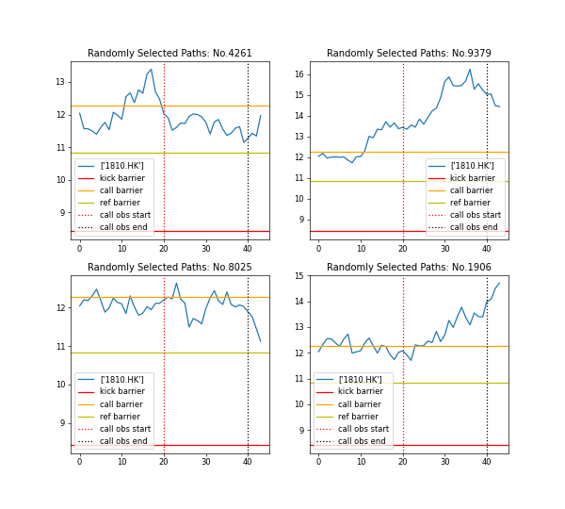
simulation time | 2023-07-06

sea_1_0
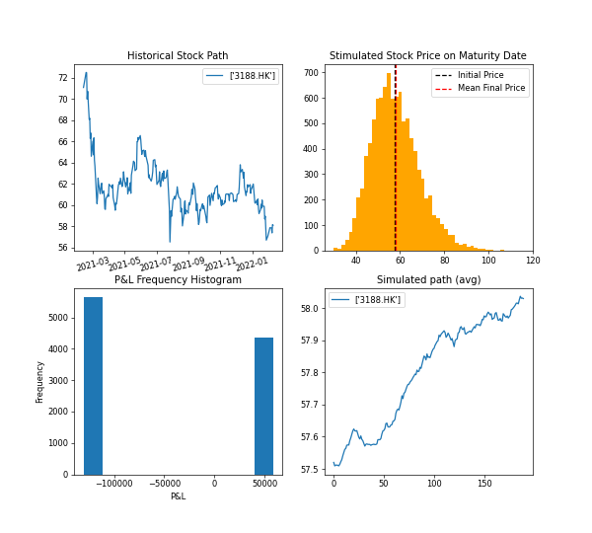
 | Info
Underlying Equity | ['3188.HK']
Contract Period | 02/11/2022-11/16/2022
Notional Amount | 4210000
Autocall Observation Date | ['11/11/2022']
Autocall Barrier | 1.025
Autocall Coupon | 0.06
Fixed Coupon | 0.001
Floating Rate | 0.0415
Kick Observation Date | -
Kick Barrier | -
Reference Barrier | -
Call Condition(for multivariate Underlying)
Call Memory(for multivariate Underlying)
contract name | sea_1_0
tickers | ['3188.HK']
n_simulation | 10000
reference period | ['02/11/2021', '02/11/2022']
risk free rate | 0.01
historical volatility | [0.214]
simulated avg volatility | [0.213]
notional amount | 4210000
potential P&L | -48475.094
potential P&L(%) | -1.151
Max P&L | 58618.801
Max P&L(%) | 1.392
Min P&L | -130659.91
Min P&L(%) | -3.104
total coupon earned | 84373.313
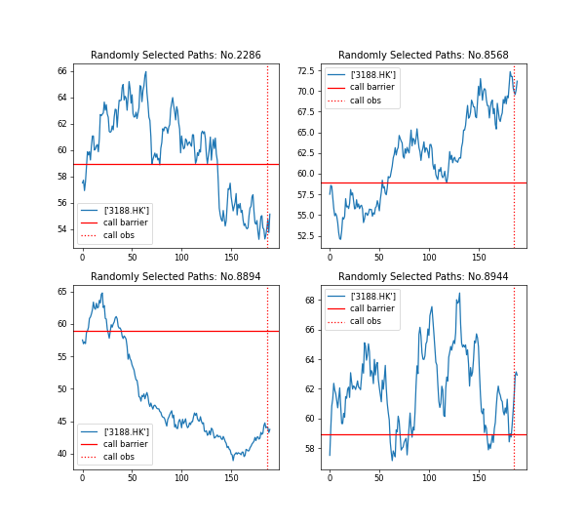
simulation time | 2023-07-06

sea_1_1
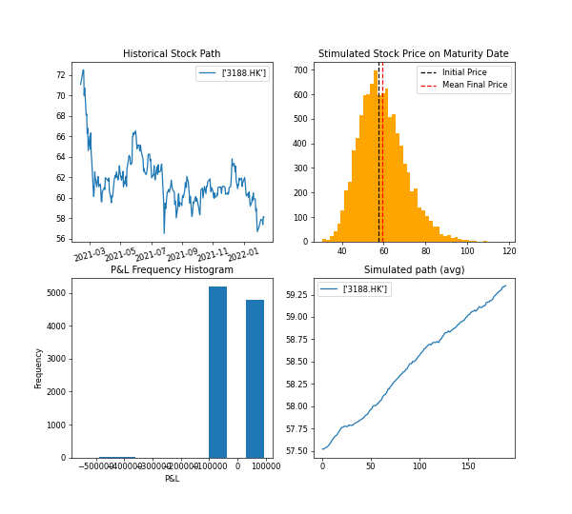
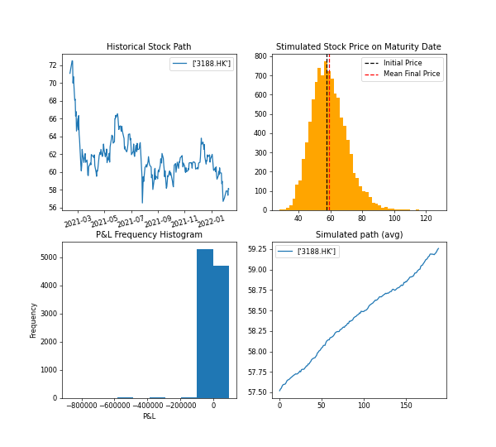
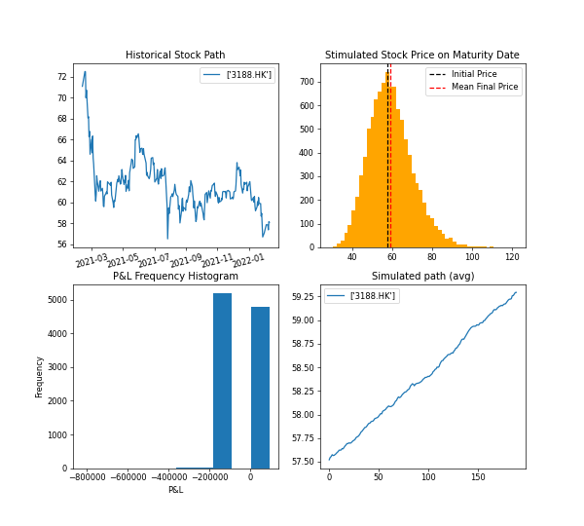
 | Info
Underlying Equity | ['3188.HK']
Contract Period | 02/11/2022-11/16/2022
Notional Amount | 4210000
Autocall Observation Date | ['11/11/2022']
Autocall Barrier | 1.025
Autocall Coupon | 0.06
Fixed Coupon | 0.001
Floating Rate | 0.03
Kick Observation Date | -
Kick Barrier | -
Reference Barrier | 0.6
Call Condition(for multivariate Underlying)
Call Memory(for multivariate Underlying)
contract name | sea_1_1
tickers | ['3188.HK']
n_simulation | 10000
reference period | ['02/11/2021', '02/11/2022']
risk free rate | 0.04
historical volatility | [0.214]
simulated avg volatility | [0.213]
notional amount | 4210000
potential P&L | -3763.809
potential P&L(%) | -0.089
Max P&L | 92970.796
Max P&L(%) | 2.208
Min P&L | -822570.199
Min P&L(%) | -19.538
total coupon earned | 90471.667
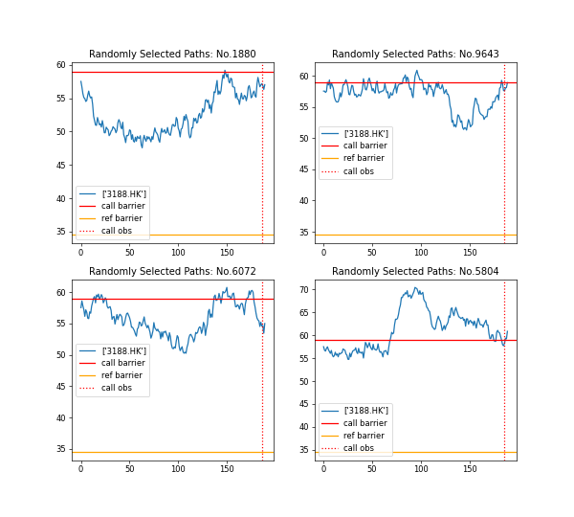
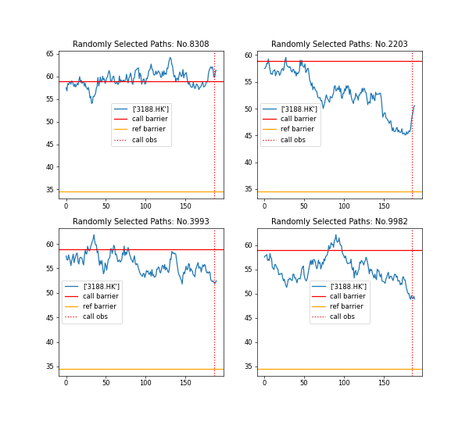
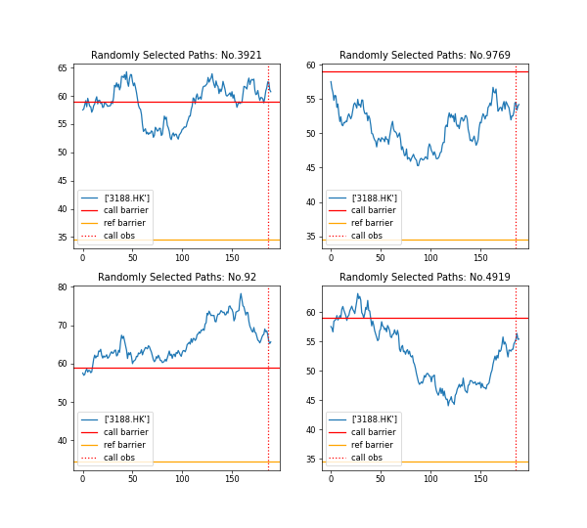
simulation time | 2023-07-07

sea_1_2


 | Info
Underlying Equity | ['3188.HK']
Contract Period | 02/11/2022-11/16/2022
Notional Amount | 4210000
Autocall Observation Date | ['11/11/2022']
Autocall Barrier | 1.025
Autocall Coupon | 0.06
Fixed Coupon | 0.001
Floating Rate | 0.0415
Kick Observation Date | -
Kick Barrier | -
Reference Barrier | -
Call Condition(for multivariate Underlying)
Call Memory(for multivariate Underlying)
contract name | sea_1_2
tickers | ['3188.HK']
n_simulation | 10000
reference period | ['02/11/2021', '02/11/2022']
risk free rate | 0.04
historical volatility | [0.214]
simulated avg volatility | [0.213]
notional amount | 4210000
potential P&L | -40959.584
potential P&L(%) | -0.973
Max P&L | 57331.991
Max P&L(%) | 1.362
Min P&L | -127739.7
Min P&L(%) | -3.034
total coupon earned | 88863.137
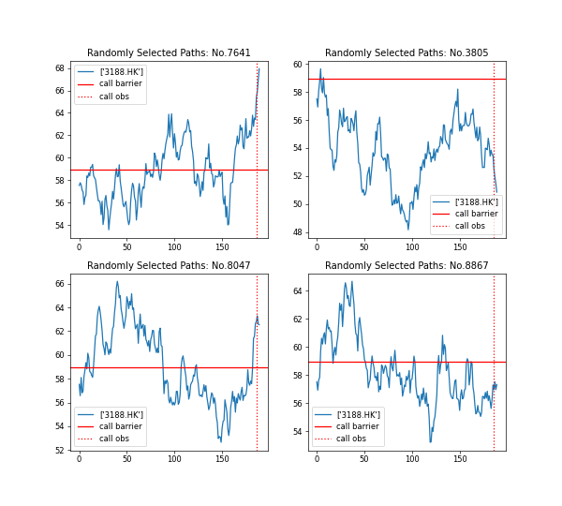
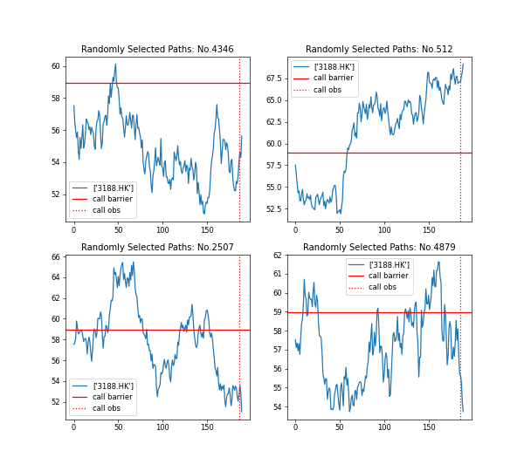
simulation time | 2023-07-07

sea_2_0
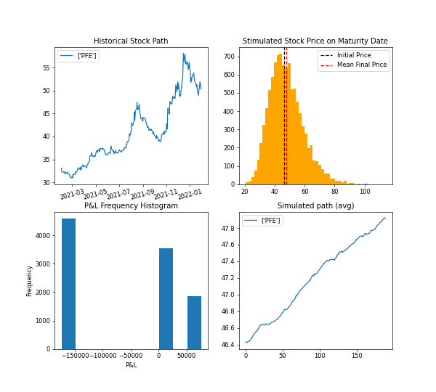
 | Info
Underlying Equity | ['PFE']
Contract Period | 02/18/2022-11/23/2022
Notional Amount | 5590000
Autocall Observation Date | ['05/18/2022', '11/18/2022']
Autocall Barrier | 1.05
Autocall Coupon | 0.06
Fixed Coupon | -
Floating Rate | 0.0415
Kick Observation Date | -
Kick Barrier | -
Reference Barrier | -
Call Condition(for multivariate Underlying)
Call Memory(for multivariate Underlying)
contract name | sea_2_0
tickers | ['PFE']
n_simulation | 10000
reference period | ['02/01/2021', '02/01/2022']
risk free rate | 0.04
historical volatility | [0.27]
simulated avg volatility | [0.269]
notional amount | 5590000
potential P&L | -56919.842
potential P&L(%) | -1.018
Max P&L | 76124.9
Max P&L(%) | 1.362
Min P&L | -173799.562
Min P&L(%) | -3.109
total coupon earned | 74967.101
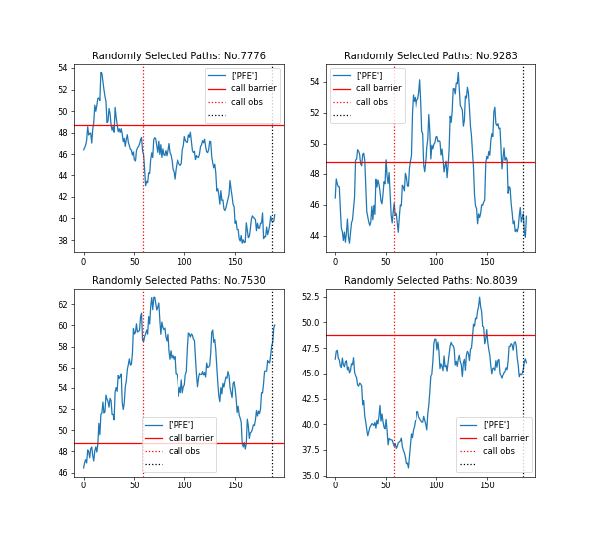
simulation time | 2023-07-06

bema_1_2
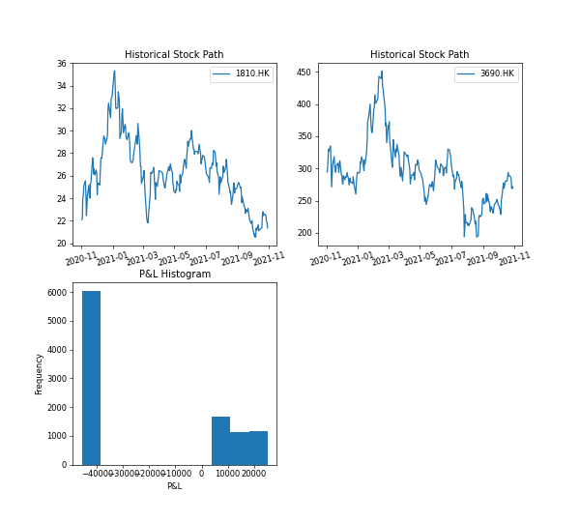
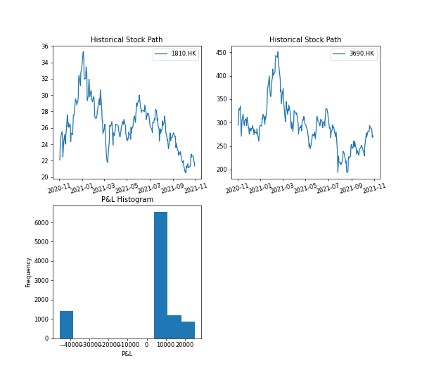
 | Info
Underlying Equity | ['1810.HK', '3690.HK']
Contract Period | 11/10/2021-11/09/2022
Notional Amount | 1190000
Autocall Observation Date | ['02/08/2022', '05/10/2022', '08/08/2022', '11/04/2022']
Autocall Barrier | 1.027
Autocall Coupon | 0.06
Fixed Coupon | -
Floating Rate | 0.0385
Kick Observation Date | -
Kick Barrier | -
Reference Barrier | -
Call Condition(for multivariate Underlying) | any
Call Memory(for multivariate Underlying)
contract name | bema_1_2
tickers | ['1810.HK', '3690.HK']
n_simulation | 10000
reference period | ['11/01/2020', '11/01/2021']
risk free rate | 0.01
historical volatility | [0.467, 0.681]
simulated avg volatility | [0.467, 0.68]
notional amount | 1190000
potential P&L | 1068.278
potential P&L(%) | 0.09
Max P&L | 25262.016
Max P&L(%) | 2.123
Min P&L | -45860.331
Min P&L(%) | -3.854
total coupon earned | 20949.958
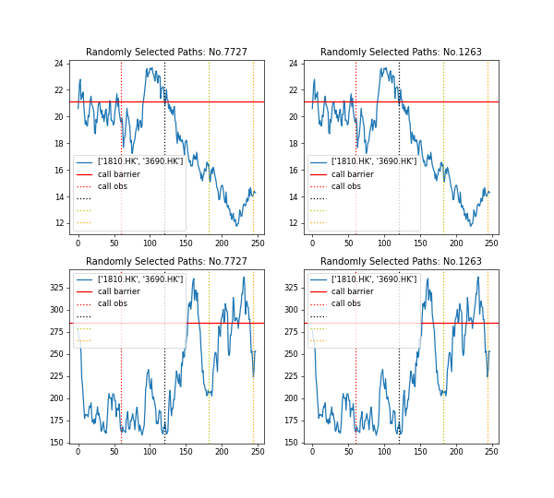
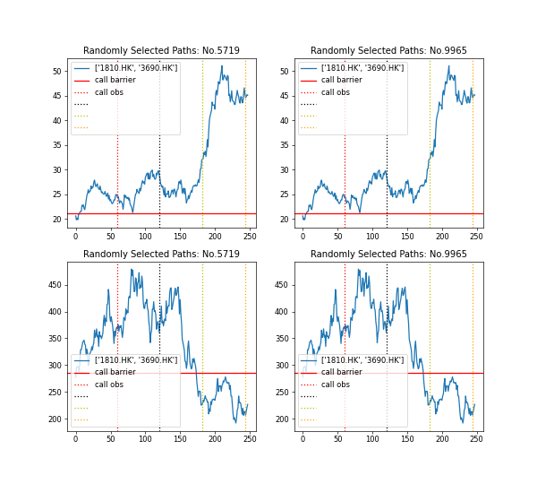
simulation time | 2023-07-06

bema_1_0
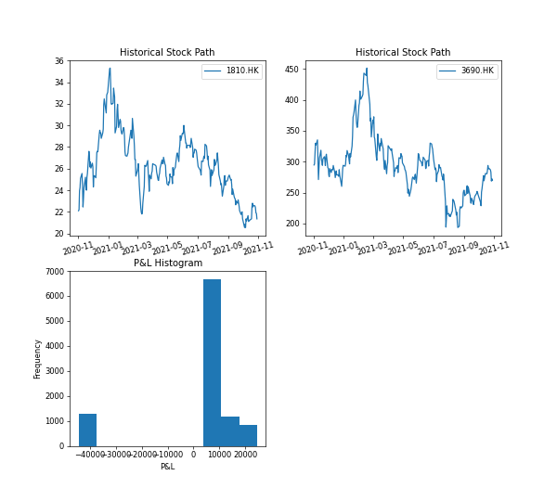

 | Info
Underlying Equity | ['1810.HK', '3690.HK']
Contract Period | 11/10/2021-11/09/2022
Notional Amount | 1190000
Autocall Observation Date | ['02/08/2022', '05/10/2022', '08/08/2022', '11/04/2022']
Autocall Barrier | 1.027
Autocall Coupon | 0.06
Fixed Coupon | -
Floating Rate | 0.0385
Kick Observation Date | -
Kick Barrier | -
Reference Barrier | -
Call Condition(for multivariate Underlying) | any
Call Memory(for multivariate Underlying) | yes
contract name | bema_1_0
tickers | ['1810.HK', '3690.HK']
n_simulation | 10000
reference period | ['11/01/2020', '11/01/2021']
risk free rate | 0.04
historical volatility | [0.467, 0.681]
simulated avg volatility | [0.467, 0.68]
notional amount | 1190000
potential P&L | 1707.122
potential P&L(%) | 0.143
Max P&L | 24535.298
Max P&L(%) | 2.062
Min P&L | -44522.954
Min P&L(%) | -3.741
total coupon earned | 20842.026
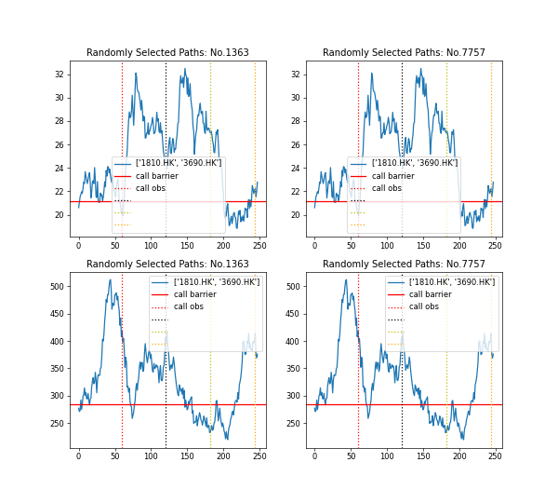
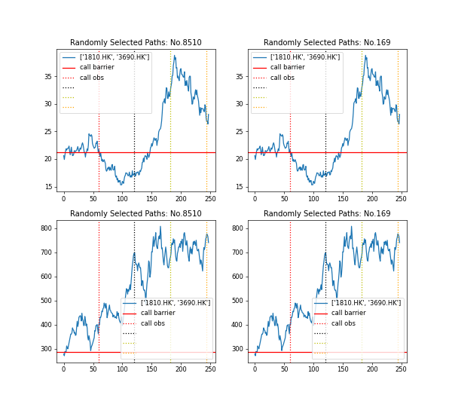
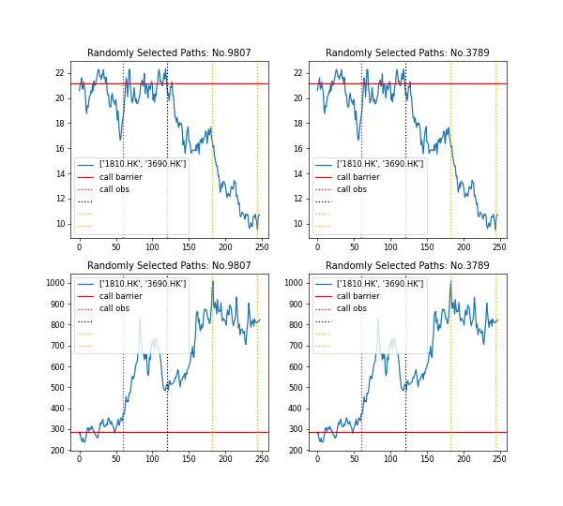
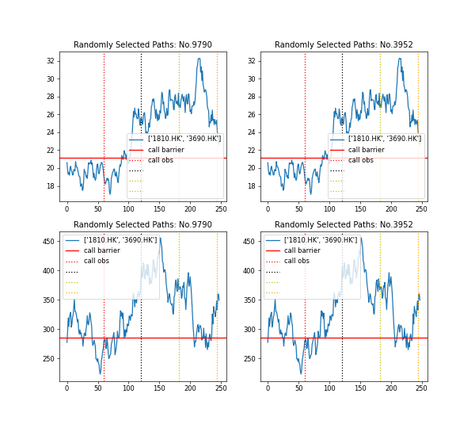
simulation time | 2023-07-07

bema_1_1
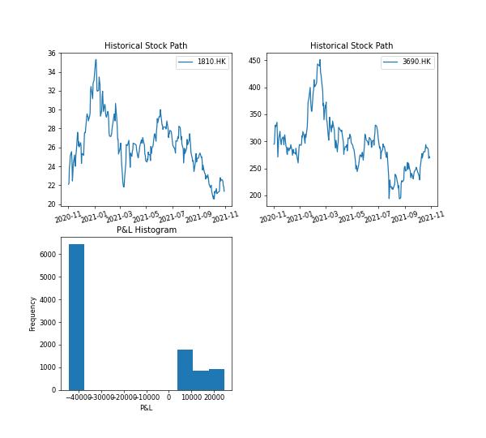
 | Info
Underlying Equity | ['1810.HK', '3690.HK']
Contract Period | 11/10/2021-11/09/2022
Notional Amount | 1190000
Autocall Observation Date | ['02/08/2022', '05/10/2022', '08/08/2022', '11/04/2022']
Autocall Barrier | 1.027
Autocall Coupon | 0.06
Fixed Coupon | -
Floating Rate | 0.0385
Kick Observation Date | -
Kick Barrier | -
Reference Barrier | -
Call Condition(for multivariate Underlying) | all
Call Memory(for multivariate Underlying) | no
contract name | bema_1_1
tickers | ['1810.HK', '3690.HK']
n_simulation | 10000
reference period | ['11/01/2020', '11/01/2021']
risk free rate | 0.04
historical volatility | [0.467, 0.681]
simulated avg volatility | [0.467, 0.68]
notional amount | 1190000
potential P&L | -24631.16
potential P&L(%) | -2.07
Max P&L | 24535.298
Max P&L(%) | 2.062
Min P&L | -44522.954
Min P&L(%) | -3.741
total coupon earned | 11527.447
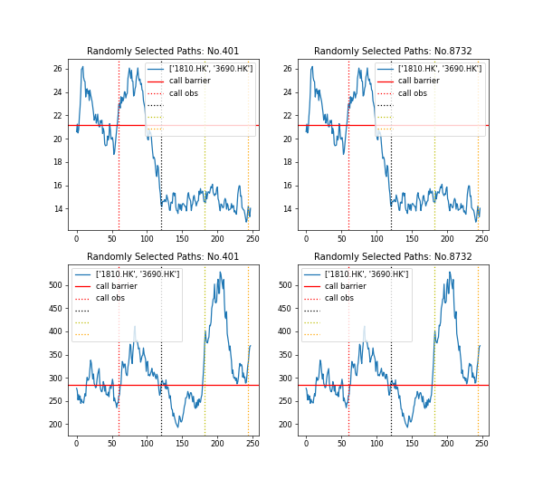
simulation time | 2023-07-06

